Sheet
Bone Predictor

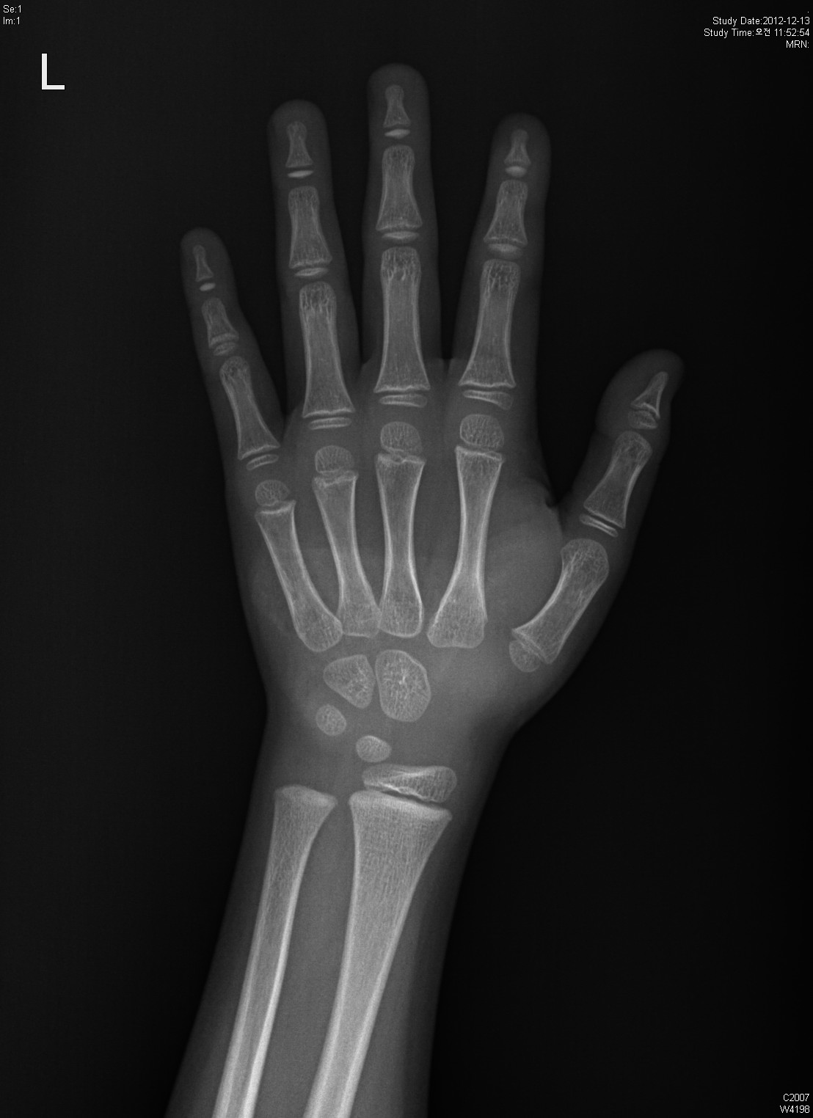
Information

Name : ddd

Gender : Male

Age : 6.0

Height : 158.0

Diagnosis Bone Age

Bone Age : 6.15

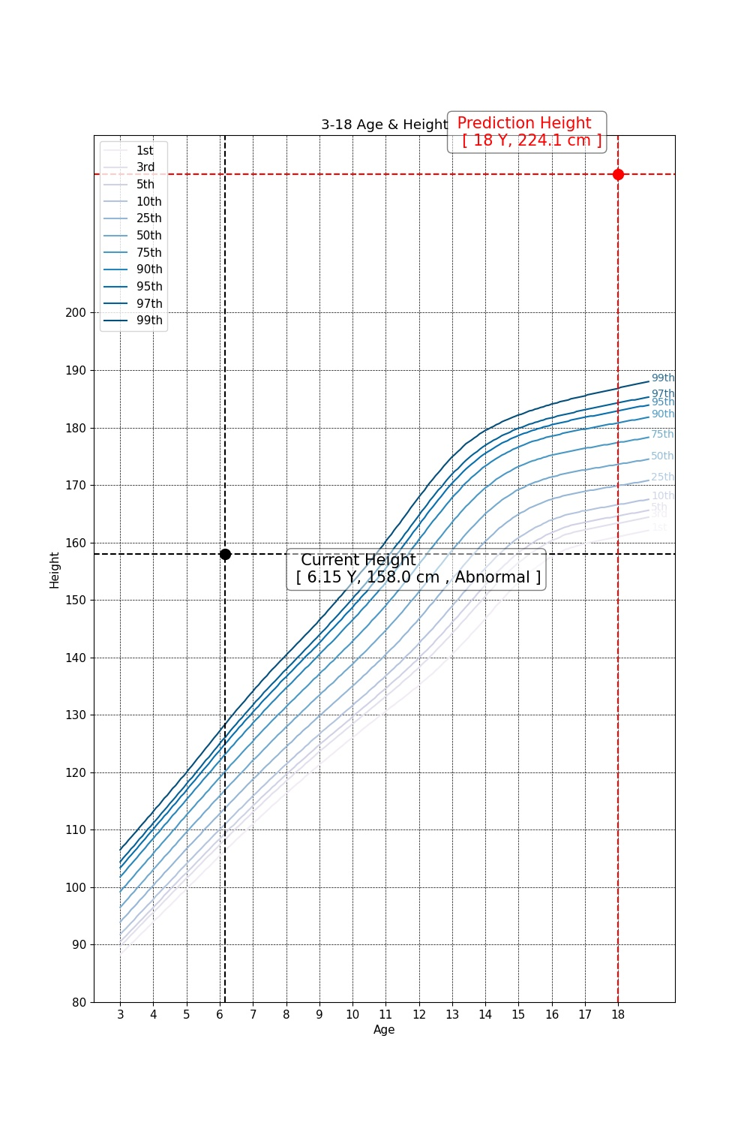

Predicted Height Growth

Current height percentile : None

Predicted Height Growth : 224.1
(based on 18 years old)

